Start
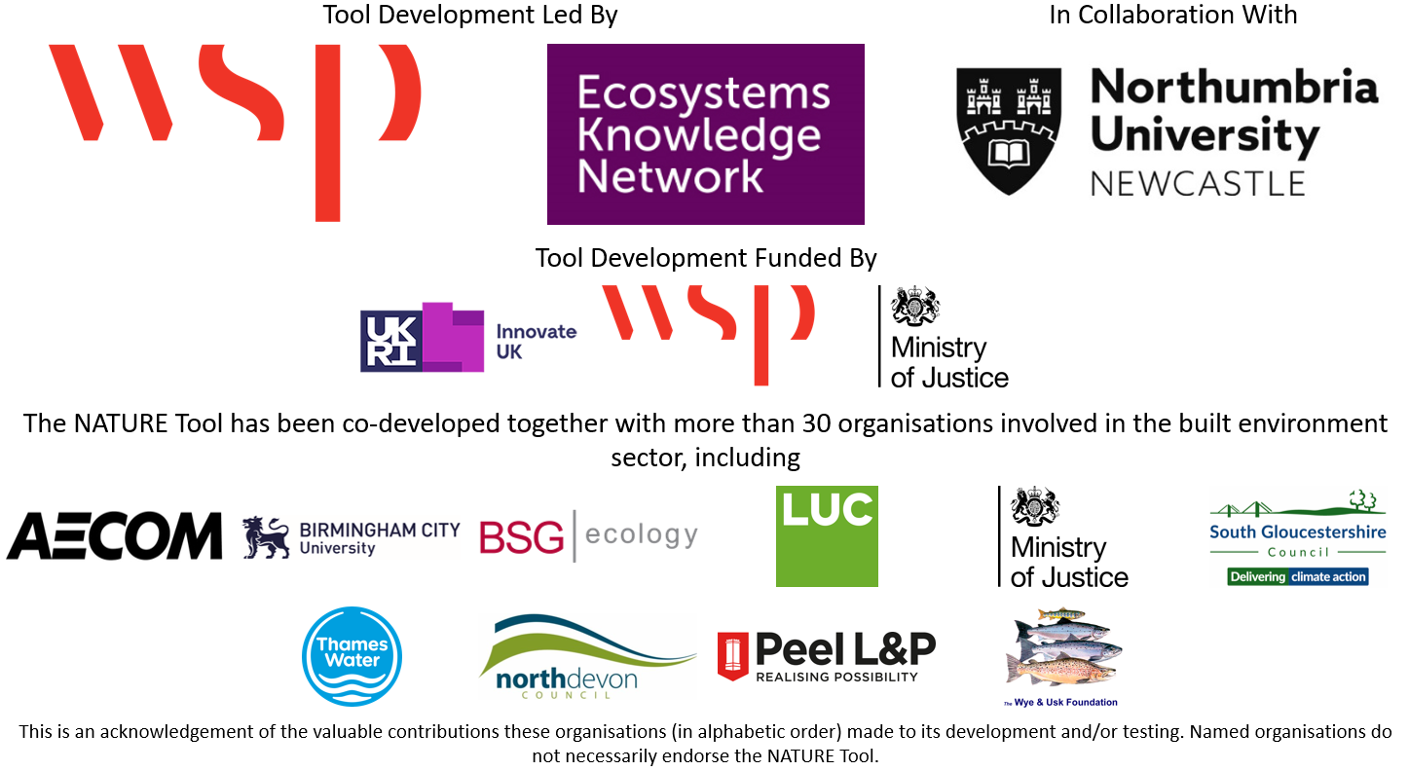
 |  | 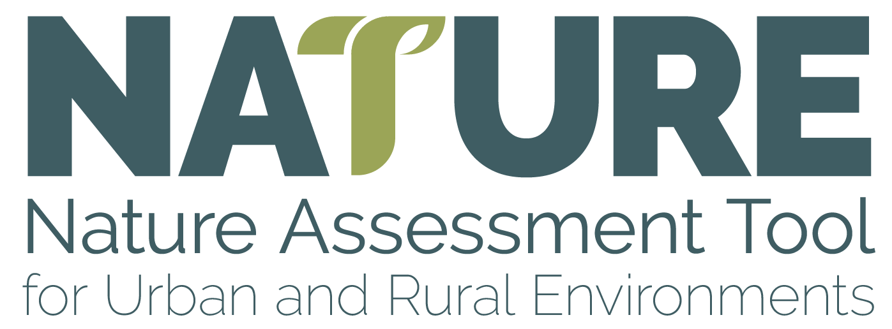
Version 1.1 BETA

Data Checklist

 | This data checklist accompanies the NATURE Tool and is designed to quickly review the data requirements for your NATURE Tool assessment. Please select the project location below which will direct you to the corresponding data checklist.
 |  | England
 |  | Wales
 |  | Scotland
 |  | Northern Ireland

 |  | Tool creator & main contact: | Oliver Hölzinger
 |  |  | Oliver.Hoelzinger@wsp.com

